Sheet1
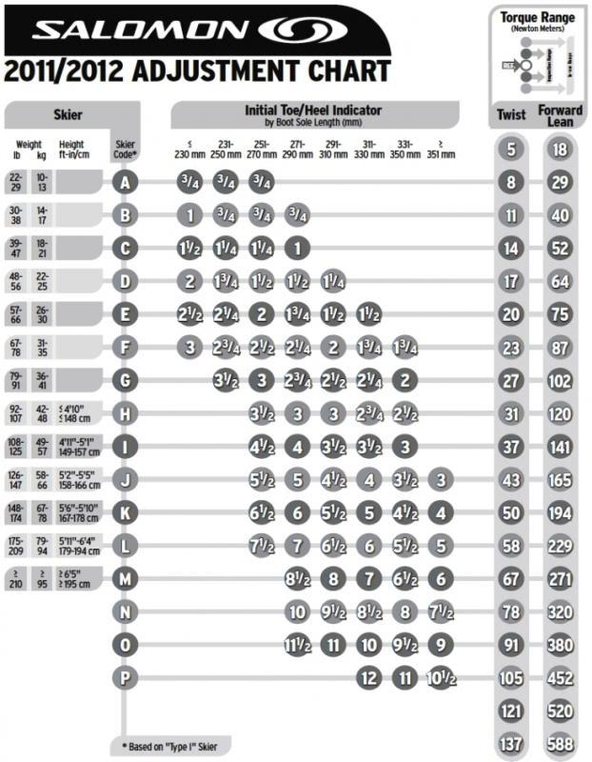
weightID | hightID
topID |  | lengthID
one | two | 1 | 2 | 3 | 4 | 5 | 6 | 7 | 8
1 |  | 0.75 | 0.75 | 0.75
2 |  | 1 | 0.75 | 0.75 | 0.75
3 |  | 1.5 | 1.25 | 1.25 | 1
4 |  | 2 | 5 | 1.5 | 1.5 | 1.25
5 |  | 2.5 | 7 | 2 | 5 | 1.5 | 1.5
6 |  | 10 | 9 | 8 | 7 | 6 | 5 | 5
7 |  |  | 12 | 10 | 9 | 8 | 7 | 6
8 | 14 |  |  | 12 | 10 | 10 | 9 | 8
9 | 15 |  |  | 16 | 14 | 12 | 12 | 10
10 | 16 |  |  | 20 | 18 | 16 | 14 | 12 | 10
11 | 17 |  |  | 24 | 22 | 20 | 18 | 16 | 14
12 | 18 |  |  | 28 | 26 | 24 | 22 | 20 | 18
13 | 19 |  |  |  | 32 | 30 | 26 | 24 | 22
 |  |  |  |  | 38 | 36 | 32 | 30 | 28
 |  |  |  |  | 44 | 42 | 38 | 36 | 34
 |  |  |  |  |  |  | 46 | 42 | 40

0.75 | 1
1 | 2
1.25 | 3
1.5 | 4
1.75 | 5
2 | 6
2.25 | 7
2.5 | 8
2.75 | 9
3 | 10
3.25 | 11
3.5 | 12
3.75 | 13
4 | 14
4.25 | 15
4.5 | 16
4.75 | 17
5 | 18
5.25 | 19
5.5 | 20
5.75 | 21
6 | 22
6.25 | 23
6.5 | 24
6.75 | 25
7 | 26
7.25 | 27
7.5 | 28
7.75 | 29
8 | 30
8.25 | 31
8.5 | 32
8.75 | 33
9 | 34
9.25 | 35
9.5 | 36
9.75 | 37
10 | 38
10.25 | 39
10.5 | 40
10.75 | 41
11 | 42
11.25 | 43
11.5 | 44
11.75 | 45
12 | 46

